Scenario tree
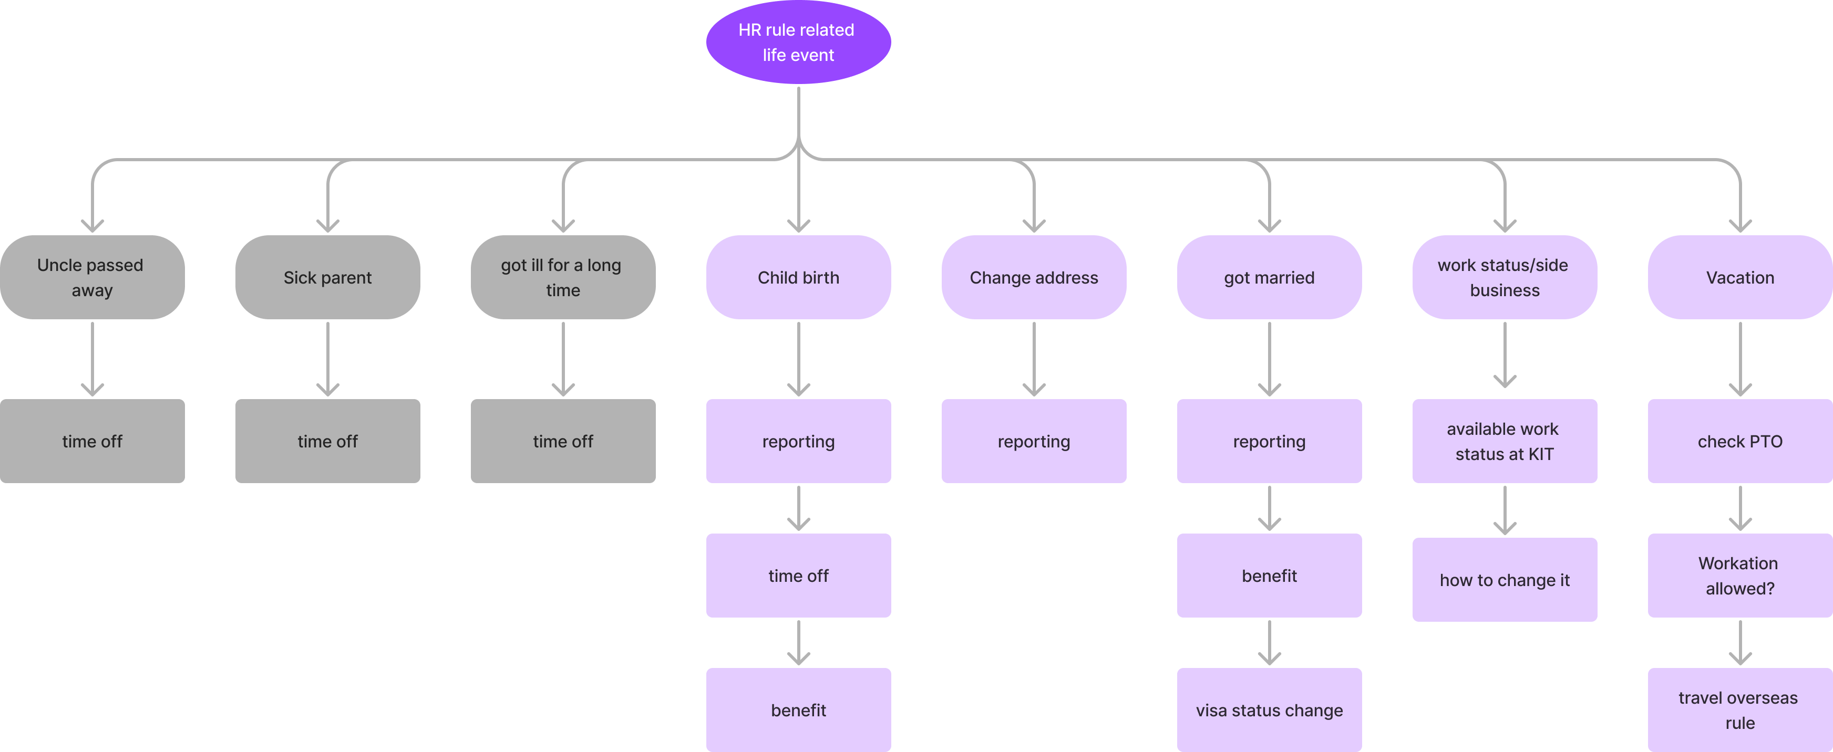
KIT Chat PoC – FigJam (figma.com)

KIT RM メモ
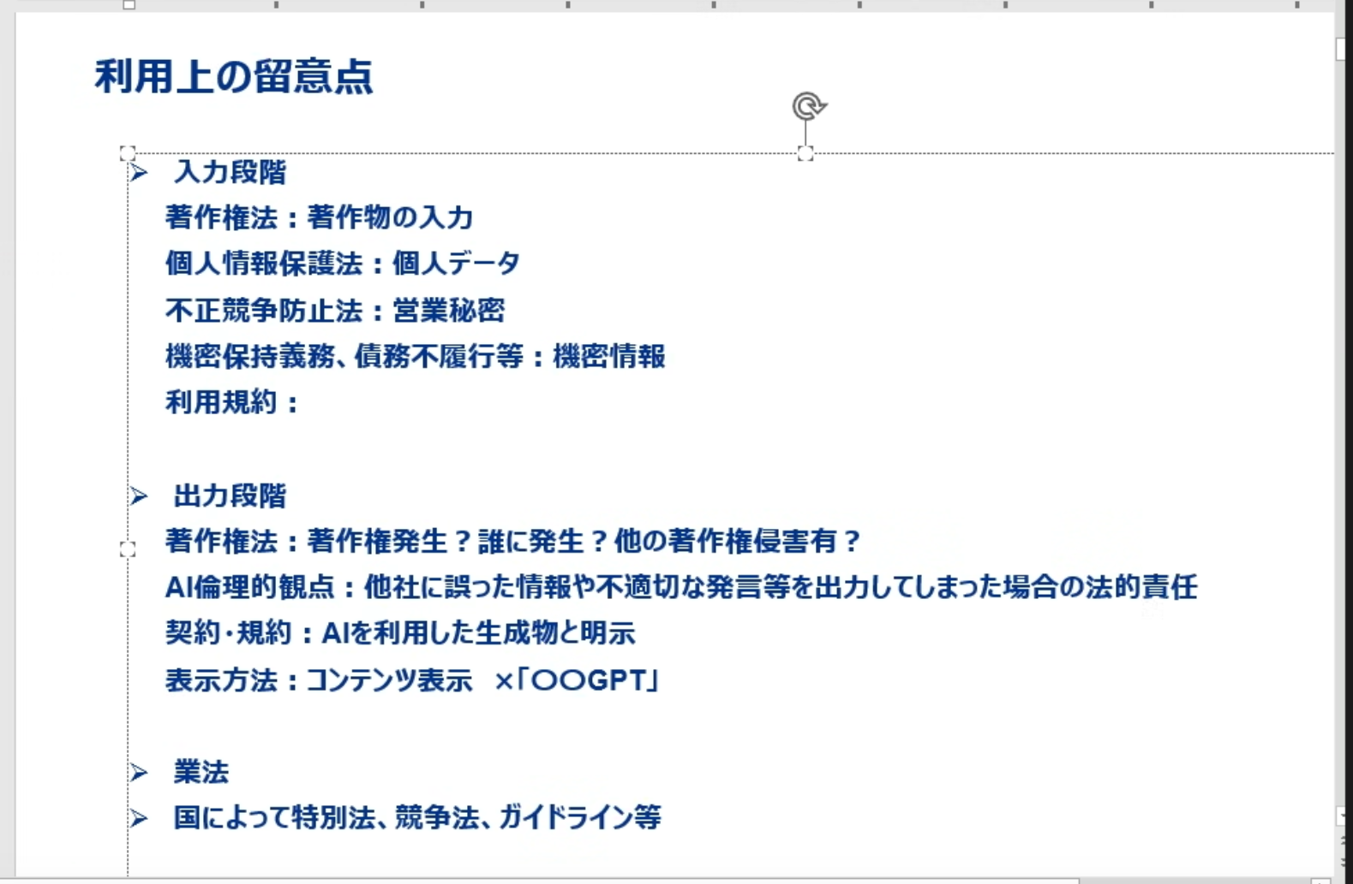
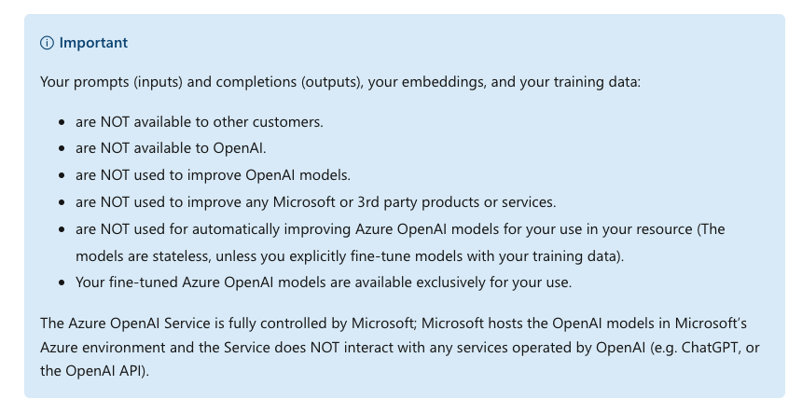

入力 | 著作権 | 社内ルールが作成者の著作権という考えが当てはまりにくいので、関係ないだろう。ナレッジを作成した部署に一応確認
 | 個人データ | 組織図やCounselor treeに記載されている個人名。入社時の同意書で個人データを扱うことに合意をもらっているため問題ない
 | 営業秘密 | 社内ルールなので関係ない
 | 機密保持義務、債務不履行等 | 社内ルールなので関係ない

出力 | 著作権法 | 関係ない
 | AI倫理的観点 | PoCで発生しない場合でも、発生した際の対応策を考えておけば問題ない
 | 契約・規約 | アウトプット結果の利用目的に該当しない
 | 表示方法 | Commercial化する際に、名称に〇〇GPTとならないように気をつける

